Sheet1
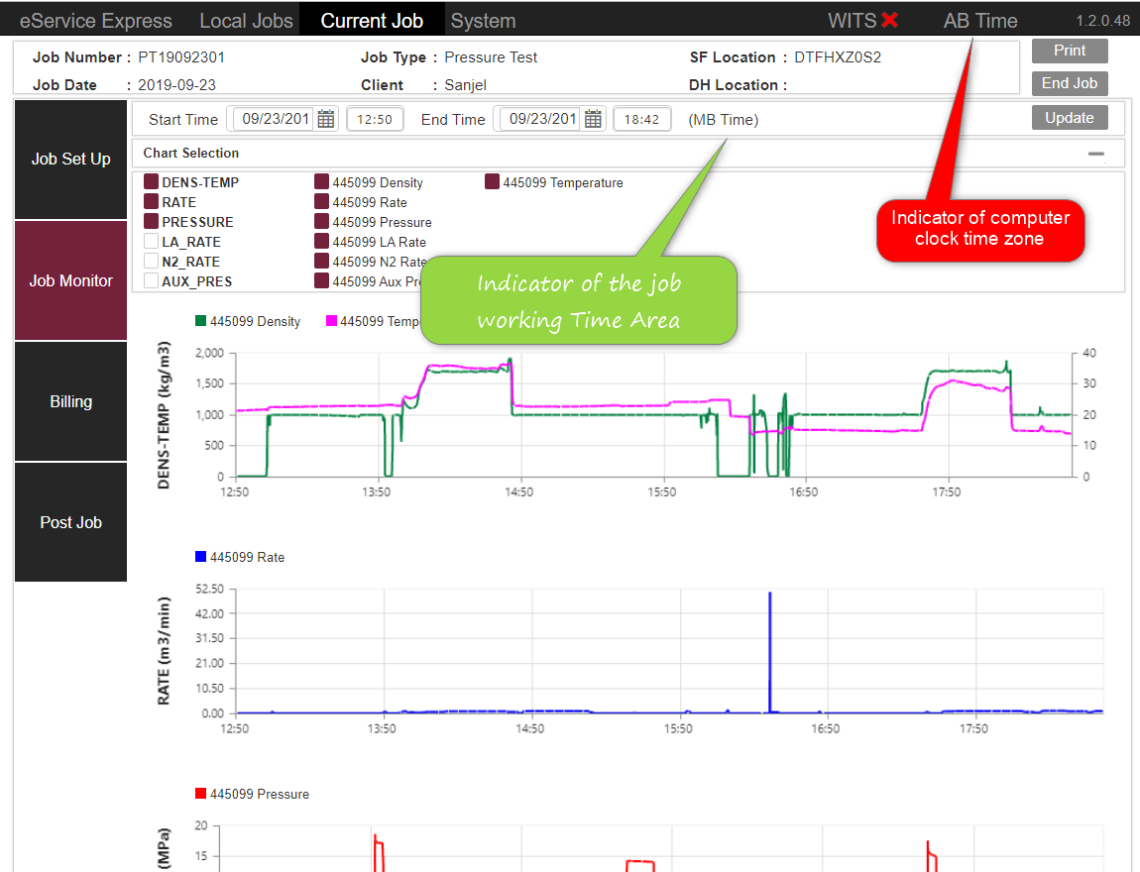
Scenario | Computer clock Timezone | Database Time Format | View Time Format
Dispatch sets Job Date Time | AB Time, never change | UTC | Always AB Time
Field Supervisor creates job | Any | UTC | Local Time with TimeArea
Field Supervisor set up job info | Computer clock timezone changed to selected Time Area | UTC | Selected time with TimeArea
Field Supervisor View Monitor | Selected Time Area | UTC | Local Time as client preferred
Field Supervisor End Job | Computer clock timezone changed back to AB Time | UTC | Local Time with TimeArea
Field Supervior switch a job with End Time to current job | Computer clock timezone changed back to AB Time | UTC | Local Time with TimeArea
Field Supervior switch a job without End Time to current job | Computer clock timezone changed to saved Time Area | UTC | Selected Time Area data time
Field Supervisor Print not end job | No Change | UTC | Local Time with TimeArea
Field Supervisor Print not end job | No Change | UTC | Local Time with TimeArea
Field Supervisor fills in treatment report | No Change, supervisor should use time as selected Time Area | Local Time | Saved Time
Engineer view job chart from PLC data on server | Any | UTC | Local Time with TimeArea
Field Supervisor changed working clock of a job with end time | No Change | UTC | Local Time with TimeArea
Field Supervisor changed working clock of a job without end time | Computer clock timezone changed to selected Time Area | UTC | Local Time with TimeArea

